Defect 1
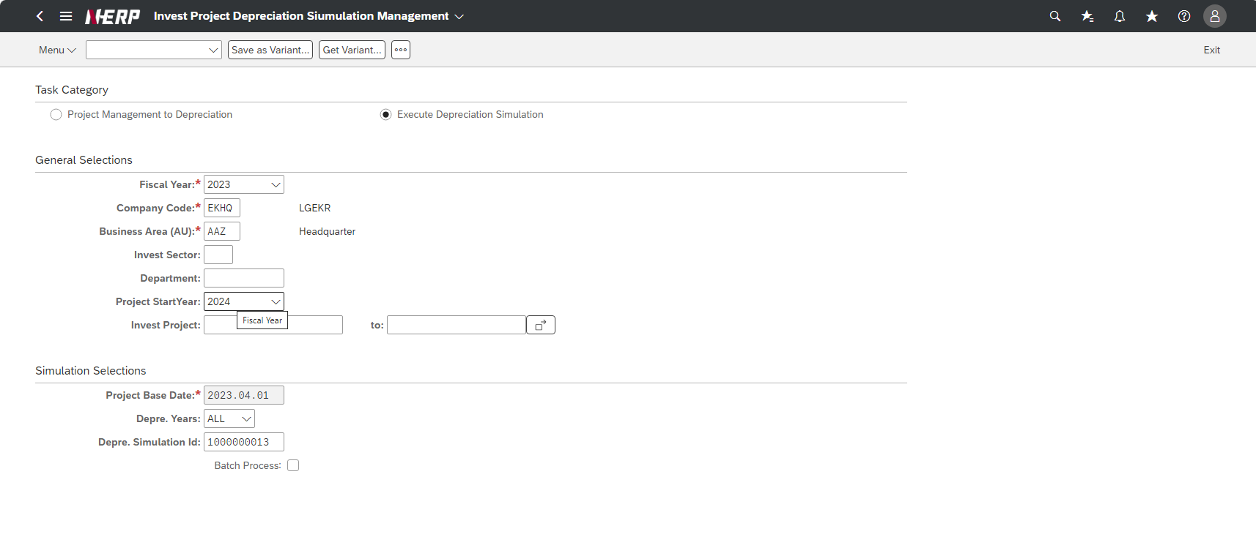
Case 1 : | UI/UX: When selecting the "Project Management to Deprecation" radio button, both General and Simulation Selection conditions are displayed

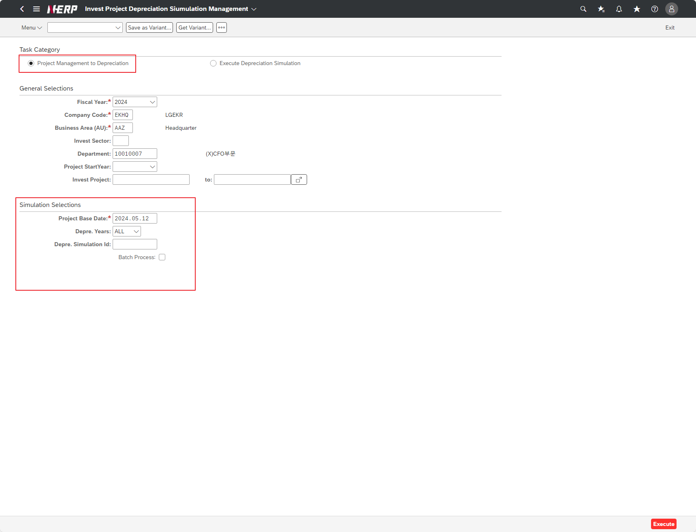

Case 2: | UI/UX: Incorrect tooltip description for Project Start Year

Defect 2
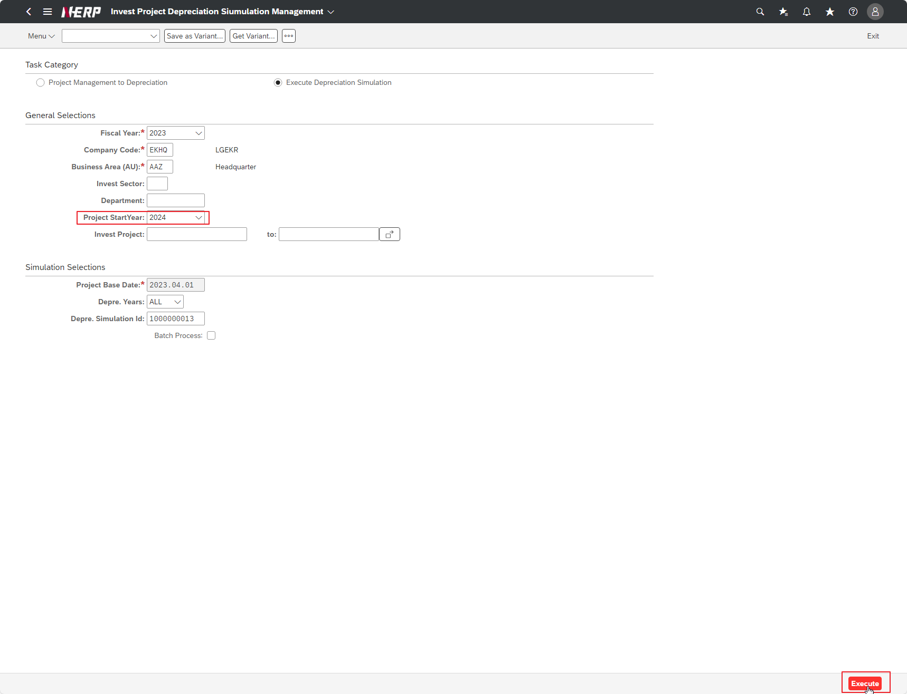
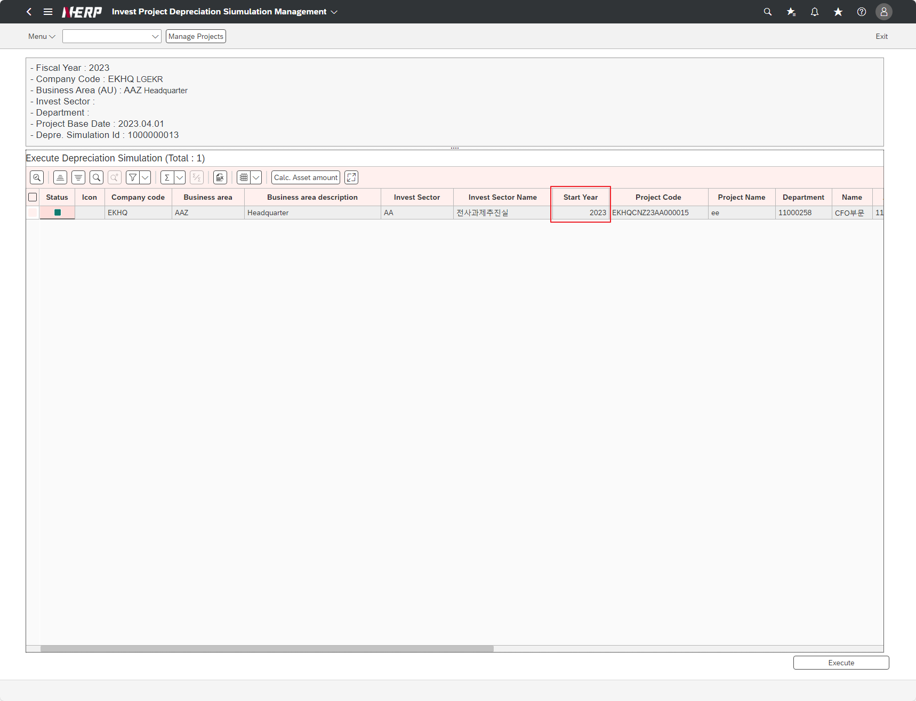
Case 2: | Project start year search condition does not match

Defect 3
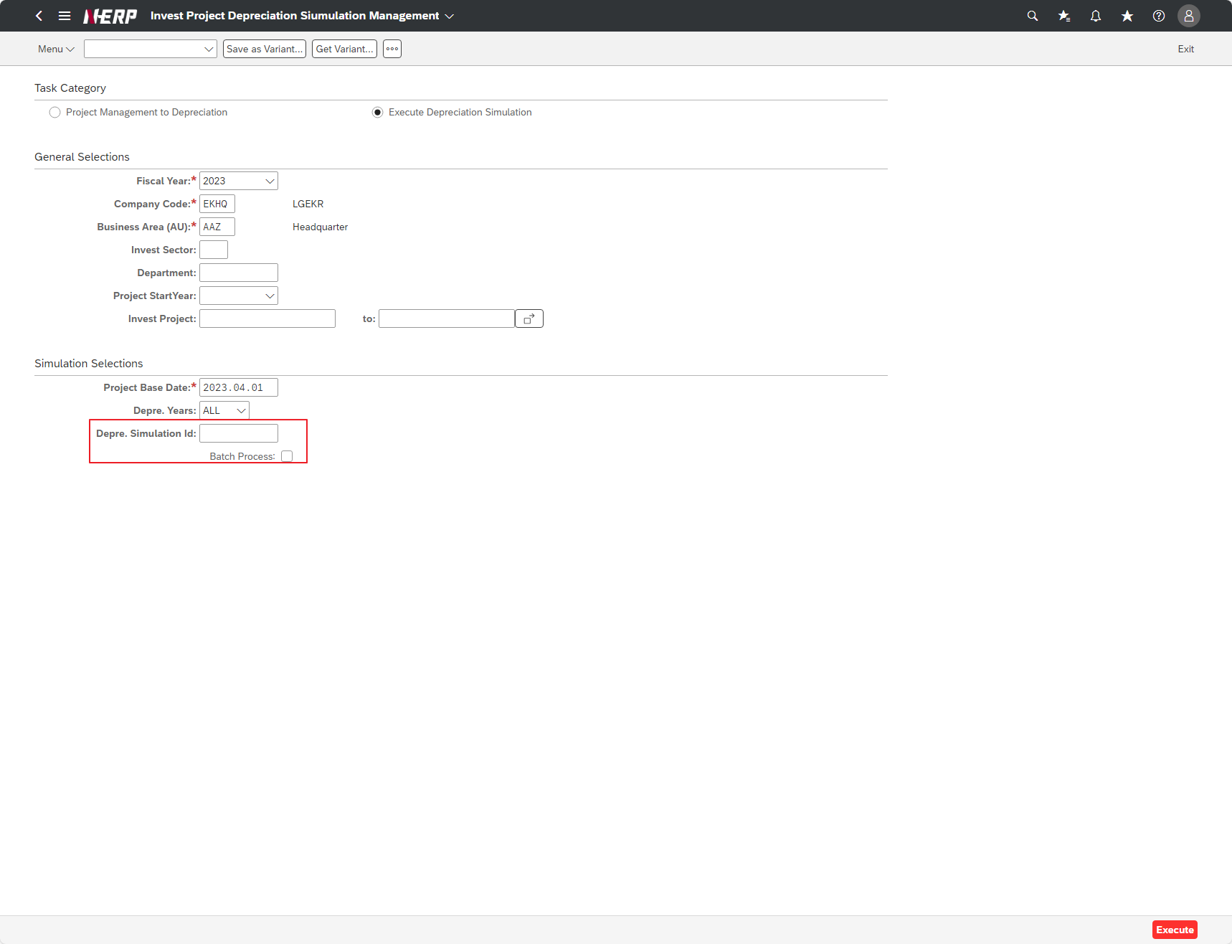
Case 3: | Function: Can not get all the records when the Depre. Simulation Id search condition is empty
When search condition is not empty




When condition is empty

